Sheet1
Mark Scheme for 2019 Prelim P1

Q1
Task 1.1 (8m) | Open data file to read in data
 | Data stored in appropriate data structure
 | Loop to total rainy days for each year
 | New file RAINFALLYEAR.txt created (write mode)
 | Write heading description
 | Write each line YYYY,999
 | Close both files
 | Code has comments

Task 1.2 (2m) | Procedure ShowMenu implemented
 | Choices Displayed correctly

Task 1.3 (8m) | Function call to ShowMenu
 | Validation on user input choice
 | Loop to repeat ShowMenu
 | User input year validated
 | Query 1 reads from RAINFALLYEAR
 | Loop to get data for selected year
 | Query 2 reads from RAINFALL all the months data
 | Find the max rainy day

Task 1.4 (3m) | Test for user input year (Normal) + Screenshot
 | Test for user input year (Boundary) + Screenshot
 | Test for user input year (Erroneous) + Screenshot
 | Test for user choice (Normal) + Screenshot
 | Test for user choice (Boundary) + Screenshot
 | Test for user choice (Erroneous) + Screenshot
 | Any 3 distinct test for 3m
Q2
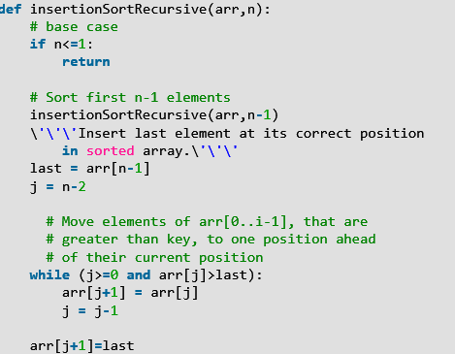
Task 2.1 (8m) | Correct Base case (if n <=1: return)
 | Recursive Call on (arr, n-1)
 | Insert last element in sorted (n-1) array
 | While loop to find insertion position
 | Two conditions for loop (j >= 0 and arr[j] > last)
 | Move element up in loop (arr[j+1] = arr[j])
 | last element inserted correctly (arr[j+1] = last)
 | Display countries correctly

Task 2.2 (5m) | Print statement to output
 | Statement at the correct line
 | Correct n and j values in statement
 | Correct Screenshot (2m)

Q3
Task 3.1 (16m) | Class Node defined
 | Constructor with correct initialisation (left, right set to None)
 | insert function defined
 | has validation (key must be integer)
 | compare insert key with node key
 | check left/right node is empty
 | if empty, insert node
 | else recursive call to insert (left/right)
 | Class Tree defined
 | Constructor with correct initialisation (root set to None)
 | add function defined (creates new node by calling Node constructor)
 | has validation (root is None, else call insert function)
 | attributes set to private
 | printTreeInOrder defined
 | recursive step in correct order (left, root, right)
 | display key (print statement) at correct line

Task 3.2 (6m) | Procedure CreateTreefromArray with parameter array (list) passed in by reference
 | loop to read each integer
 | create node object for every integer and call insert function
 | call printTreeInOrder

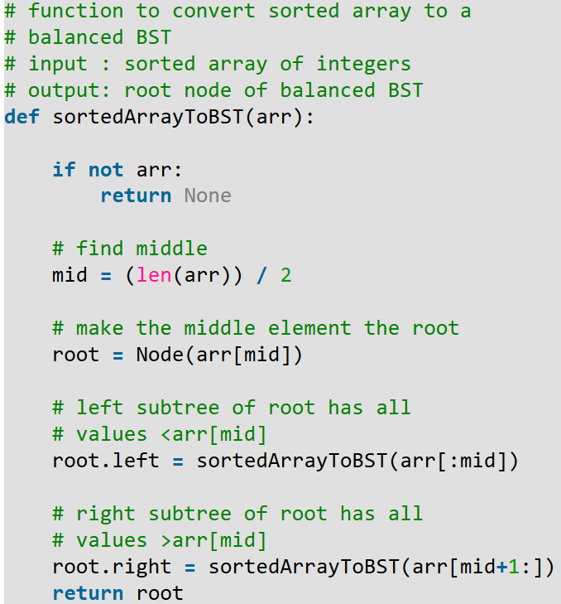
 | Screenshot of output
 | Correct output from data in BST.txt

Task 3.3 (6m) | Sort array
 | compute middle index (first + last) // 2
 | pick integer from middle index to be the root
 | recursively do the same for left half
 | recursively do the same for right half
 | return root

Task 3.4 (6m) | Used suitable data structure/type to store count
 | function has count and k (kth smallest) as parameters
 | Perform inorder travesal with added counter
 | return data when counter = k

 | Has screenshot with correct data (2m)

Task 4.1 (6m) | function Cipher defined with correct parameters
 | correct parameter types
 | removed duplicate characters from Key
 | write key unique characters to NewAlphabet array
 | write remaining characters
 | return NewAlphabet

Task 4.2 (3m) | Validate key is a string
 | String contains only letters

Task 4.3 (3m) | Screen shots of the 3 suitable test cases.
 | Normal Data
 | Erroneous Data (Format Check/Type Check)
 | Boundary Data (key with one letter, 26 letters)

Task 4.4 (12m) | Has code/function to display menu
 | Code/function for input key and message
 | calls function Cipher to generate cipher alphabet
 | loop to read each message character
 | substitute with cipher key if letter
 | display encoded message
 | if decode option, loop to read cipher letter
 | lookup correct alphabet
 | display decoded message
 | menu displays until -1 to quit

 | Corret screenshot for encode (1m) and decode (1m)

Task 4.5 (8m) | open and reads content from INTERCEPT.txt
 | loop to read each character
 | use a suitable data structure to store the frequency count
 | count incremented
 | sort by descending order
 | print statement to display on screen the frequencies
 | used meaningful variable names

 | Correct screenshot

